Sheet1
S. No | Name of the Teacher and Teacher 's code | Photograph of Teacher (Attested by the Principal) | Signature of the teacher (at the time of visitation) | Verification by visitor

DEPT. OF KULLIYAT
1 | Prof.Sajid Kabir. UNXXOO785 | 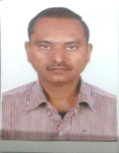

2 | Dr. Shabana Siddiqui. UNKL00097 | 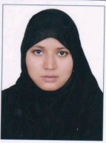

3 | Dr.Farheen Musharraf UNKL00113 | 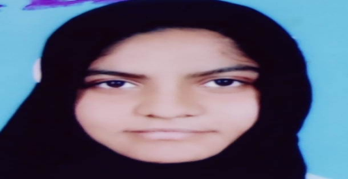
4 | Maulana Afroz Alam. UNXX00522 | 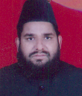
5 | Mr. Mohd. Akram Raza. (P/T)
6 | Mr. Meer Zahab (P/T)
7 | Dr. Mohd. Saqlain UNKL00085 | 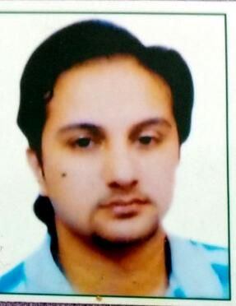

8 | Dr. Majid Ahmad (P/T) | 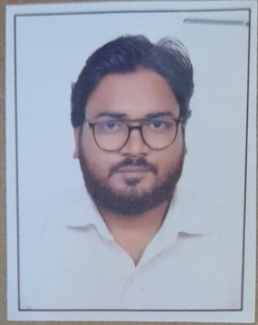

DEPT. OF TASHREEHUL BADAN
9 | DR. MOHAMMAD FAISAL. UNXX00760 | 

10 | DR. UZMA RAHAT. UNXX00306 | 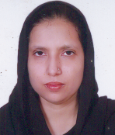

DEPT. OF MUNAFEUL AZA
11 | Dr. Sabiha Iqbal. UNXX00823 | 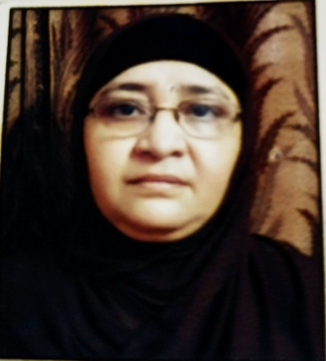

12 | Dr. Anisur Rehman. UNXX00817 | 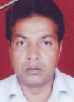

DEPT. OF TAHAFFUZI WA SAMAJI TIB
13 | Prof. Ahmad Nadim Khan. UNXX00421 | 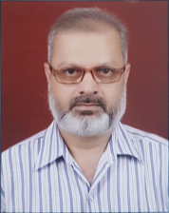

14 | Dr. Aliya parveen. UNTS00086

15 | Dr. Naeem. UNTS00024

DEPT. OF MAHIYATUL AMRAZ

16 | Dr. Zakira Iqrar. UNXX00740 | 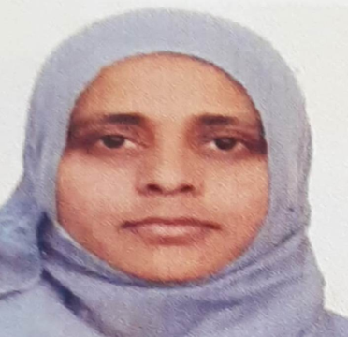

17 | Dr. Neelofer. UNKL00078 | 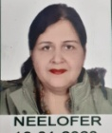

18 | Dr. Nabila Subhan. UNKL00112
DEPT. OF ILMUL ADVIA
19 | Dr. Kr. Zameer Ahmad. UNXX00846 | 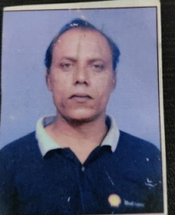

20 | Dr. Sana Rehman .UNID00150 RELIVED ON 29/04/2023 (A/N) | 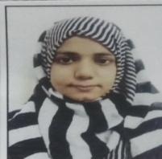
21 | Dr.Aaisha Ansari UNID00207 | 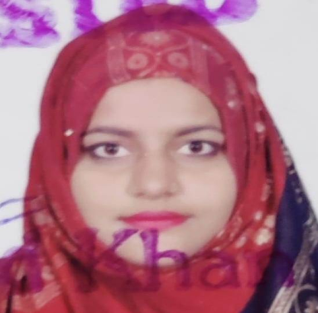
22 | Dr. Sumayya Sadia . A/F | 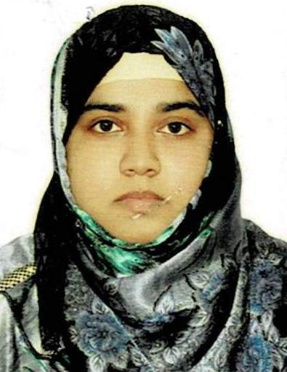

23 | Dr. Mohammad Javed Khan. UNXX00680 | 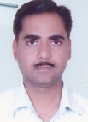

DEPT. OF ILAJ BIT TADBEER
24 | Dr. Zaib Zarrin (A/F) | 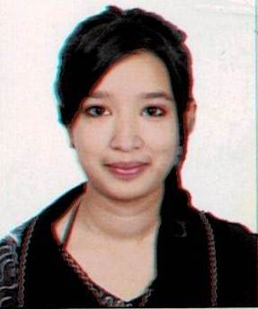

25 | Dr.Nuzhat Akhtar. UNMJ00281


DEPT.OF MOALAJAT
26 | Prof.Ahmad Saleem. UNMJ00272

27 | Prof. Imrana Hafeez. UNMJ00298 | 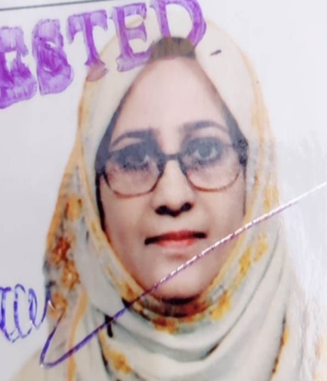

28 | Dr.Rihana Kamal. UNMJ00287 | 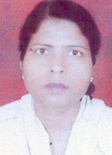

29 | Dr. Nighat Parveen .UNMJ00040

30 | Dr. Zareena Aquil UNMJ00339

DEPT. OF ILMUL ATFAL
31 | Dr. Rumana Khan .UNXX00732 | 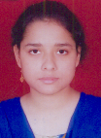

32 | Dr. Subhana Khan. UNXX00734 | 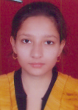

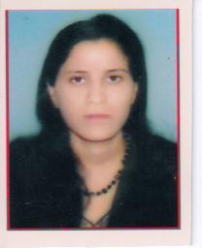
DEPT. OF NISWAN WA QABALAT
33 | Prof. Sadia Hafeez. UNXX00864

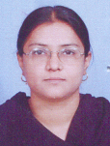
34 | Dr. Ghazala Yasmeen. UNXX00872

DEPT. OF JARAHAT
35 | Dr. Hafiz Zubair Alam. UNXX00751

36 | Dr. Matiur Rehman. UNJH00061 | 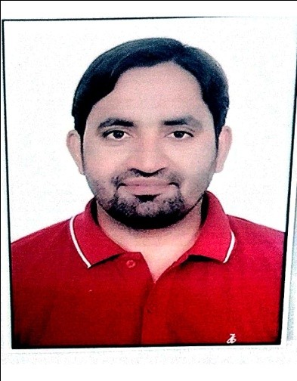

DEPT. OF AMRAZ E JILD WA TAZEENIYAT
37 | Dr. Jarrar Husain Rizvi. UNXX00742 | 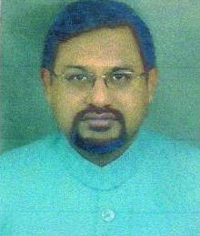

38 | Dr. Yasmeen Ahmed. UNMJ00389

39
39 | Dr. Rabia Riaz. UNJH00077 | 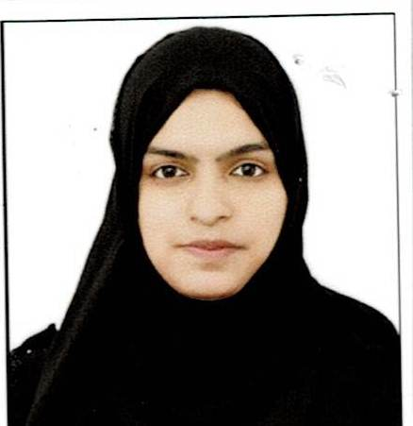

40 | Dr. Aquil Ahmad Khan. UNMJ00395

NCISM
S. No | Name of the Teacher and Teacher 's code | Adhar & pan No. | Father's Name | Date of Birth | UG Qualification (University & year) | PG Qualification with subject (University & year) | Date wise details of Experience in chronological order (1st appointment to till date) |  |  |  | Nature of Present appointment (regular/ contractual/ deputation/ part time/ adhoc) | Local Residential Address | Permanenet Address | Name of State Board & Registration Code No. | Salary Account Number, Name of Bank & Branch | Contact Number | Photograph of Teacher (Attested by the Principal) | Signature of the teacher (at the time of visitation) | Verification by visitor
 |  |  |  |  |  |  | Duration (d/m/y) | Designation | Name of the college | Department (Subject)
DEPT. OF KULLIYAT
1 | Prof.Sajid Kabir. UNXXOO785 | 438621509097 & ALAPK3479L | Mr. Kabir Ahmad Jaisi | 18.11.1963 | BUMS |  | 01.01.2009 TO 30.09.2014 | Asst Professor | AUMC, Alig. | Kulliyat | Regular | Sajida Manzil, Iqra Colony, dhorra Mafi, Aligarh | Sajida Manzil, Iqra Colony, dhorra Mafi, Aligarh | 8038 | 85790100023490 | 9045550712
 |  |  |  |  |  |  | 01.10.2014 to 08.06.2016 | Associate Professor | AUMC, Alig. | Kulliyat |  |  |  | Bhartiya Chikitsa Parishad, Utter Pradesh
 |  |  |  |  |  |  | 13.06.2016 to 18.01.2018 | Associate Professor | Sufia Unani Medical College, Bihar | Kulliyat
 |  |  |  |  |  |  | 03.01.2020 till date | Professor | AUMC, Alig | Kulliyat
2 | Dr. Shabana Siddiqui. UNKL00097 | 314723993262 & BVBPS9956A | Mr. Muzakkir Ali | 14.07.1982 | BUMS/2005/ AMU | MD (KULLIYAT-E-UMOORE TABIYA)/2010/AMU | 02.07.2012 to 29.06.2013 | Asst Professor | RUMCH, Rajasthan | Kulliyat | Regular | Flat 104,B Block,Dream Home SS Nagar Aligarh | H.N0 33,Mohalla, Billochiya,Bus Badan Pur Jaipur | 20514 Board of Ayurvedic Unani Tibbi system of Medicine U.P | 46420100808551 | 7055927363
 |  |  |  |  |  |  | 28.11.203 to 07.12.2013 | Asst Professor | AUTC, Indore | Kulliyat
 |  |  |  |  |  |  | 24.12.2013 to 06.06.2016 | Asst Professor | Rajasthan Unani Medical College, Jaipur | Kulliyat
 |  |  |  |  |  |  | 30.07.2016 to 27.12.2017 | Asst Professor | University College of Unani, Tonk, Rajastha | Kulliyat
 |  |  |  |  |  |  | 01.06.2018 till date | Associate Professor | AUMC, Aligarh | Kulliyat
3 | Dr.Farheen Musharraf UNKL00113 | 970389505459 & FJQPM4077K | Mr.Musharraf Husain | 19/06/1993 | BUMS/2018/AMU | MD (KULLIYAT)/ 2021/RGUHS | 01/02/2022-Till date | Asst Professore | AUMC, Aligarh | Kulliyat | Regular | Imam Apartment,Green Park Colony, Aligarh 202002 | Sarai Rahman,Chawk Aligarh,202002 | 18918 Board of Ayurvedic Unani Tibbi system of Medicine U.P | 29580100011077 | 8791941814
4 | Mr. Mohd. Akram Raza. (P/T) | 384242840818 & DBGPK5176M | Mr. Mohd. Abdul Qadir Khan | 20.09.1988 | B. Sc./2009/AMU | M. Sc. Biostat./ 2012/AMU | 12.01.2019 till date | Asst Professor | AUMC, Aligarh | Kulliyat | Part-time | ACN Boys Hostel ACN City Aligarh | ACN Boys Hostel ACN City Aligarh | N/A | CASH | 842342356
5 | Mr. Meer Zahab | 388019303701 & ANUPA9551H | MR. Meer Mohd Ali | 09.06.1990 | B.A Hons/2012/AMU | M.A/2014/AMU | 14.01.2019-Till Date | Asst Professor | AUMC, Aligarh | Kulliyat | Part-time | ACN Boys Hostel ACN City Aligarh | ACN Boys Hostel ACN City Aligarh | N/A | CASH | 9997483687
6 | Dr. Uzair Ahmad. UNKL00135 | 971309096386 & CAWPA9186M | Mr.Zahiruddin | 02.09.1986 | BUMS/2019/AMU | MD (KULLIYAT-E-UMOORE TABIA)/2022/AMU | 01.11.2023-Till Date | Asst Professor | AUMC, Aligarh | Kulliyat | Regular | Dr. Manzil sarrafa bazaarMasjid Purani Kotwali Aligarh | Dr. Manzil sarrafa bazaarMasjid Purani Kotwali Aligarh | 19585 Board of Ayurvedic Unani Tibbi system of Medicine U.P | 32565811179 | 7037486480 | 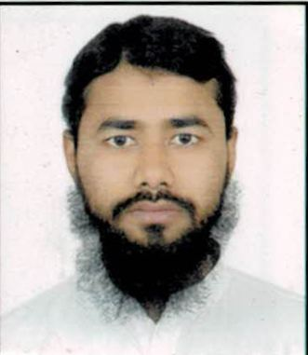
7 | Dr. Majid Ahmad (P/T) | 913395771210 & CFXPA3998F | Mr. Wasi Ahmad | 01.02.1992 | B.Th. ( Hons) Sunni Theology | M.Th (SUNNI THEOLOGY)/2014/AMU | 23.03.2023 - till date | Asst Professor | AUMC, Aligarh | Kulliyat | Part-time | G11/12 Rizvi Apartment Medical Road Aligarh | Village Bhadeya Tola Post Mahanwa Dist West Champaran Bihar Pin Code 845454 | N/A | 31037447220 | 7599015173 | 
DEPT. OF TASHREEHUL BADAN
8 | DR. MOHAMMAD FAISAL. UNXX00760 | 319533197136 & AAWPF7055L | Mr. Faheem Uddin Siddiqui | 02.03.77 | BUMS/2001/CSJM Uni |  | 15.1.05 to 31.12.06 | Asst Professor | AIUMC, MZN | Tashreehul Badan | Regular | 4/481, Hamdard Nagar A, Jamalpur, Aligarh | 4/481, Hamdard Nagar A, Jamalpur, Aligarh | 10291 | 85790100009101 | 9319398541
 |  |  |  |  |  |  | 01.01.08 to 24.10.2013 | Asst Professor | AUAMC, Alig | Tashreehul Badan |  |  |  | Bhartiya Chikitsa Parishad, Uttar Pradesh
 |  |  |  |  |  |  | 25.10.2013 till date | Associate Professor | AUAMC, Alig | Tashreehul Badan
9 | DR. UZMA RAHAT. UNXX00306 | 646641628038 & BAPPR5654H | Late Mr. Rafat Husain Rahat | 01.06.79 | BUMS/ 2003/ AMU, Aligarh |  |  |  |  |  | Regular | HR Ladies Health Clinic, Hamdard Nagar B, Jamalpur, Aligarh | Warsi Dry Cleaner, Badam Nagar, Jamalpur, Aligarh | 11302 Bhartiya Chikitsa Parishad, Utter Pradesh | 85790100000943 | 8439710646
 |  |  |  |  |  |  | 20.8.08 to 29.11.2017 | Asst Professor | AUMC, Alig. | Tashreehul Badan
 |  |  |  |  |  |  | 30.11.2017 till date | Associate Professor | AUMC, Alig. | Tashreehul Badan

DEPT. OF MUNAFEUL AZA
10 | Dr. Sabiha Iqbal. UNXX00823 | 858524083356 & ACKPI2130B | Late. Dr. Azmatullah | 16.10.1969 | BUMS/1996/AMU |  | 15.06.1996 to 09.01.2014 | Asst Professor | AUMC, Aligarh | Munafeul Aza | Regular | 4/261, Kela Nagar, Aligarh | 4/261, Kela Nagar, Aligarh | 08167, Bhartiya Chikitsa Parishad, Utter Pradesh | 85790100000920 | 9837318496 | 
 |  |  |  |  |  |  | 10.01.2014 till date | Associate Professor | AUMC, Aligarh | Munafeul Aza
11 | Dr. Anisur Rehman. UNXX00817 | 509717841265 & BGKPK9924N | Mr. Abdul Rehman Khan | 01.10.1963 | BUMS/1996/AMU |  | 01.01.1996 TO 09.01.2014 | Asst Professor | AUMC, Aligarh | Munafeul Aza | Regular | 4/650,Dodhpur Civil Line Aligarh | 4/650,Dodhpur Civil Line Aligarh | 08095, Bhartiya Chikitsa Parishad, Utter Pradesh | 85790100000917 | 9870831728
 |  |  |  |  |  |  | 10.01.2014 till date | Associate Professor | AUMC, Aligarh | Munafeul Aza
DEPT. OF TAHAFFUZI WA SAMAJI TIB
12 | Prof. Ahmad Nadim Khan. UNXX00421 | 421563408944 & AGVPK0550A | Mr. Salahuddin Khan | 12.01.1965 | BUMS/1992/ DR. B.R.A.U., BIHAR | PGDHHM | 26.06.1993 - 30.06.1998 | Asst Professor | AUMC, Aligarh | Tahaffuzi wa Samaji Tib | Regular | 4/158, New Zohra Bagh,Ahmad Nagar Aligarh | 4/158, New Zohra Bagh,Ahmad Nagar Aligarh | 15254, Bhartiya Chikitsa Parishad, Utter Pradesh | 85790100009946 | 9411488834
 |  |  |  |  |  |  | 01.05.2006 - 05.12.2008 | Asst Professor | AIUMC, MzN | Tahaffuzi wa Samaji Tib
 |  |  |  |  |  |  | 06.12.2008 - 31.08.2009 | Associate Professor | AIUMC, MzN | Tahaffuzi wa Samaji Tib
 |  |  |  |  |  |  | 01.09.2009 -27.10.2013 | Associate Professor | AUMC, Aligarh | Tahaffuzi wa Samaji Tib
 |  |  |  |  |  |  | 28.10.2013-13.06.2018 | Professor, Principal& Hosp. Suptd. | AUMC, Aligarh | Tahaffuzi wa Samaji Tib
 |  |  |  |  |  |  | 10.08.2018-31.01.2020 | Professor, Principal& Hosp. Suptd. | HRUMC, Sambhal | Tahaffuzi wa Samaji Tib
 |  |  |  |  |  |  | 01.02.2020 till date | Professor, Principal& Hosp. Suptd. | AUMC, Aligarh | Tahaffuzi wa Samaji Tib
13 | Dr. Sayeed Ahmad.UNTS00119 | 439990986211 & AUBPA7410K | Mr. Mohd Edrees | 01.03.1986 | BUMS/2016/AMU | MD(TST)/2020/AMU | 18.12.2023-Till Date | Asst Professor | AUMC, Aligarh | Tahaffuzi wa Samaji Tib | Regular | H.N 4/185, Firdous Nagar Qila Road Near Badi Masjid Aligarh | 166A, Chhibra Dharm Singhwa Amraha Sant Kabir Nagar UP-272154 | 18434 Board of Ayurvedic Unani Tibbi system of Medicine U.P | 31319734113 | 9548894448 | 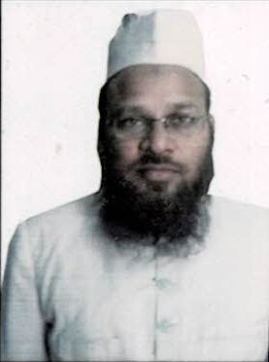

14 | Dr. Naeem. UNTS00024 | 877534389475 & BKUPN4070Q | Mr. Saleem Khan | 10.09.1988 | BUMS/2011/AMU | MD(TST)/2016/AMU | 11.02.2017-18.01.2018 | Asst Professor | Sufia Unani Medical College, Bihar | Tahaffuzi wa Samaji Tib | Regular | Shah Ganj,Shah Jamal Aligarh | 1Shah Ganj,Shah Jamal Aligarh | 14948, Bhartiya Chikitsa Parishad, Utter Pradesh | 85790100023976 | 9027741236
 |  |  |  |  |  |  | 05.02.2018-01.12.2018 | Asst Professor | Glocal Unani Medical College, Saharanpur | Tahaffuzi wa Samaji Tib
 |  |  |  |  |  |  | 05.12.2018-25.09.2019 | Asst Professor | HRUMC, Sambhal | Tahaffuzi wa Samaji Tib
 |  |  |  |  |  |  | 11.01.2021 till date | Asst Professor | AUMC, Aligarh | Tahaffuzi wa Samaji Tib
DEPT. OF MAHIYATUL AMRAZ

15 | Dr. Neelofer. UNKL00078 | 351728974086 & ACGPN3982L | Dr. Mohd. Muzaffar | 23.06.1975 | BUMS/1998/AMU | MD (KULLIYAT WA ILMUL AMRAZ)/2003/AMU | 15.04.2013-30.12.2017 | Asst Professor | HRUMC, Sambhal | Mahiyatul Amraz | Regular | 4/1157 (12) A,SS Nagar Aligarh | 4/1157 (12) A,SS Nagar Aligarh | 08848, Bhartiya Chikitsa Parishad, Utter Pradesh | 857901000023489 | 9458819465
 |  |  |  |  |  |  | 16.04.2018-04.01.2020 | Asst Professor | RUMCH, Jaipur | Mahiyatul Amraz
 |  |  |  |  |  |  | 19.01.2021 till date | Asst Professor | AUMC. Alig | Mahiyatul Amraz
16 | Dr. Nabila Subhan. UNKL00112 | 645367157876 & EDUPS3142A | Mr. Subhanullah | 22.05.1990 | BUMS/2014/AMU | MD (KULLIYAT-E-TIB)/2020/RGUHS | 23.01.2021 till date | Asst Professor | AUMC, Alig. | Mahiyatul Amraz | Regular | T2, Azim Apartments, New Sir Syed Nagar, aligarh | T2, Azim Apartments, New Sir Syed Nagar, aligarh | 17360, Bhartiya Chikitsa Parishad, Utter Pradesh | 33707995942 | 9997354431
DEPT. OF ILMUL ADVIA
17 | Dr. Kr. Zameer Ahmad. UNXX00846 | 953677932480 & DOYPA550L | Mr. Jamil Khan | 22.06.1969 | BUMS/1996/AMU |  | 16.07.1998-31.12.2008 | Asst Professor | AUMC, Alig. | Ilmul Advia | Regular | 39,Ahmad Nagar Colony,Dodhpur Aliagh | 39,Ahmad Nagar Colony,Dodhpur Aliagh | 08741, Bhartiya Chikitsa Parishad, Utter Pradesh | 85790100001705 | 8439108713
 |  |  |  |  |  |  | 01.01.2009-04.02.2017 | Associate Professor | AUMC, Alig. | Ilmul Advia
 |  |  |  |  |  |  | 08.02.2017-25.03.2017 | Associate Professor | HRUMC, Sambhal | Ilmul Advia
 |  |  |  |  |  |  | 27.03.2017-16.01.2020 | Associate Professor | AUMC, Alig. | Ilmul Advia
 |  |  |  |  |  |  | 17.01.2020-06.01.2021 | Associate Professor | AUMC, Alig. | Ilmul Advia
 |  |  |  |  |  |  | 07.01.2021 till date | Associate Professor | AUMC, Alig. | Ilmul Advia
18 | Dr. Sofiya. UNID000210 |  | Mr. Shafiquddin | 22.11.1995 | BUMS/2019/ A&U Tibbia College Delhi | MD(Ilmul Saidla)/2022/National Institute Of Unani Medicine Banglore | 29.12.2023-Till Date | Asst Professor | AUMC, Aligarh | Ilmul Advia | Regular | ACN Girls Hostel ACN City Kasimpur | 70A Mohammad Nagar B Kho Nagoriyan Rajasthan Jaipur | 21124 Board of Ayurvedic Unani Tibbi system of Medicine U.P | 4872001500170214 | 7011516913 | 
19 | Dr. Mohd Arshad A/F | 335924627861 & DCQPA1610H | Mr. Mohd Ikram | 07.05.1988 | BUMS/2017/ AMU | MD(Ilmul Advia)/2021/AMU | 13.03.2024-Till Date | Asst Professor | AUMC, Aligarh | Ilmul Advia | Regular | Tooti Boundry Jamalpur Aligarh | Begpur Behat Saharanpur Uttar Pradesh 24721 | 18971 Board of Ayurvedic Unani Tibbi system of Medicine U.P | 32202025644 | 9457047299 | 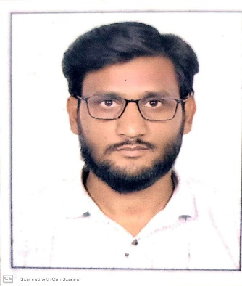
20 | Dr. Sumayya Sadia. UNSD00038 | 339056852317 & ITJPS3089H | Dr. Gulsher Ali | 05.05.1993 | BUMS/2017/AMU | MD(Ilmul Saidla)/2022/National Institute Of Unani Medicine Banglore | 16.01.2023 till date | Asst Professor | AUMC, Alig. | Saidla | Regular | Barola Byepass,Nagla Bhunda, Aligarh | Barola Byepass,Nagla Bhunda, Aligarh | 18964 Board of Ayurvedic Unani Tibbi system of Medicine U.P | 29580100012334 | 9548460131

21 | Dr. Mohammad Javed Khan. UNXX00680 | 622695318288 & APLPK0570P | Mr. Mubeen Khan | 05.03.1969 | BUMS/1996/AMU |  | 01.01.1997-15.12.2000 | Asst Professor | AUMC, Alig | Ilmul Advia wa Saidla | Regular | Said Hospital Anoop Shahar Road,Jamal Pur Aligarh | Said Hospital Anoop Shahar Road,Jamal Pur Aligarh | 11165, Bhartiya Chikitsa Parishad, Utter Pradesh | 85790100001704 | 8630800442
 |  |  |  |  |  |  | 01.01.2009-06.01.2014 | Asst Professor | AUMC, Alig | Ilmul Advia wa Saidla
 |  |  |  |  |  |  | 07.01.2014-28.01.2019 | Associate Professor | AUMC,Alig | Saidla
 |  |  |  |  |  |  | 29.01.2019 till date | Professor | AUMC,Alig | Saidla
DEPT. OF ILAJ BIT TADBEER
22 | Dr. Zaib Zarrin. UNIB00025 | 234184421074 & AAYPZ8406F | Mr. Mohammad Ismail | 15.01.1993 | BUMS/2017/AMU | MD (IBT)/2022/RGUHS | 01.02.2023 To Till Date | Asst Professor | AUMC, Alig | Ilaj Bit Tadbeer | Regular | Pahasu House, Aligarh | Pahasu House, Aligarh | 19020 Board of Ayurvedic Unani Tibbi system of Medicine | 29580100011089 | 9045499835

23 | Dr. Hina Tarannum Afridi. UNXX00708 | 438560912816 & AZHPA5821D | Dr. R. A Afridi | 20.12.1979 | BUMS/2003/AMU |  | 08.08.2023- Till Date | Asso Professor | AUMC, Alig | Ilaj Bit Tadbeer | Regular | Rasal Ganj Aligarh UP | Rasal Ganj Aligarh UP | 11342 Board of Ayurvedic Unani Tibbi system of Medicine | 85790100022692 | 8439709066 | 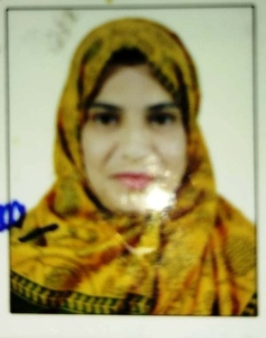

24 | Dr.Nuzhat Akhtar. UNMJ00281 | 567193018989 & AINPA2885L | Dr.Shahid Malk | 08.07.1980 | BUMS/2003/AMU/MD/2007/AMU | MD (MOALAJAT)/2007/AMU | 02.07.2012-30.10.2015 | Asst Professor | Dr.A.A.T.College Lko | Ilaj Bit Tadbeer | Regular | Silver Plaza,Jamal Pur Aligarh | Silver Plaza,Jamal Pur Aligarh | 12146, Bhartiya Chikitsa Parishad, Utter Pradesh | 60810045197 | 9720702527
 |  |  |  |  |  |  | 02.11.2015-11.01.2019 | Asst Professor | AMUC.Alig | Ilaj Bit Tadbeer
 |  |  |  |  |  |  | 12.01.2019-till datre | Associate Professor | AMUC,Alig | Ilaj Bit Tadbeer
DEPT.OF MOALAJAT
25 | Prof. Ahmad Saleem. UNMJ00272 | 813611673679 & CJIFS1889L | Mr.Abdul Ghafoor | 21.12.1963 | BUMS/1991/AMU | MD(MOALEJAT)/1997/AMU | 26.06.1997-31.12.2008 | Asst Professor | AUMC, Alig. | Moalajat | Regular | Pahasu House, kachehri road, Aligarh | Pahasu House, kachehri road, Aligarh | 7285, Bhartiya Chikitsa Parishad, Utter Pradesh | 85790100001100 | 9837194948
 |  |  |  |  |  |  | 01.01.2009-31.08.2014 | Associate Professor | AUMC, Alig. | Moalajat
 |  |  |  |  |  |  | 01.09.2014-till date | Professor | AUMC, Alig. | Moalajat
26 | Prof. Imrana Hafeez. UNMJ00298 | 596740720976 & AAQPH7263L | Mr.M.A.Hafeez | 1970-03-04 | BUMS /1996 /AMU | MD (MOALAJAT)/2001/AMU | 01/10/2001-01/10/2003 | Asst Professor | DUMC Deoband | Moalajt | Regular | Flat N0 405,Ohad Residency,Pan wali kothi Dodh Pur Aligarh | Flat N0 405,Ohad Residency,Pan wali kothi Dodh Pur Aligarh | 8041 Board of Ayurvedic Unani Tibbi system of Medicine U.P | 85790100003264 | 8439270361 | 
 |  |  |  |  |  |  | 01.10.2010-19.11.2013 | Asst Professor | AUMCH, Alig. | Moalajat
 |  |  |  |  |  |  | 20.11.2013-24.06.2020 | Associate Professor | AUMCH, Alig. | Moalajat
 |  |  |  |  |  |  | 01/12/2020-22/07/2021 | Professor | SUMCH, Mathura | Moalajt
 |  |  |  |  |  |  | 01/02/2022-Till date | Professor | AUMC, Aligarh | Moalajat
27 | Dr.Rihana Kamal. UNMJ00287 | 788459571147 & ANEPK6896R | Mr. Shafeek Ahmad | 05.06.1975 | BUMS/2000/AMU | MD (MOALAJAT)/2005/AMU | 01.10.2015-12.10.2020 | Asst Professor | AUMCH, Alig. | Moalajat | Regular | Nagla Patwari Baroli road, Aligarh | Nagla Patwari Baroli road, Aligarh | 9231 Board of Ayurvedic Unani Tibbi system of Medicine U.P | 85790100004610 | 8218361402
 |  |  |  |  |  |  | 13.10.2020 till date | Associate Professor | AUMC, Alig. | Moalajat
28 | Dr. Zareena Aquil UNMJ00339 | 315949783163 & CBOPA3033L | Mr. Mohammad Aquil | 16.07.1992 | BUMS/2014/DU | MD (MOALAJAT)/2020 | 20.04.2020-31.03.2021 | Asst Professor | RAUTMC, Sangroor, Punjab | Moalajat | Regular | UNI Colony, Jamalpur, Aligarh | Alapur Road, Nr Shekho wali Masjid, ward no 18 Karkala, Badaun | 17037, Bhartiya Chikitsa Parishad, Uttar Pradesh | 32998799543 | 9346672375

29 | Dr. Nighat Parveen .UNMJ00040 | 476077227191 & CZAPP1271R | Mr. Jalalluddin Khan | 20.08.1989 | BUMS/2013/AMU | MD(MOALAJAT0/2018/AMU | 02.02.2019-06.10.2021 | Asst Professor | SUMCH, Mathura | Moalajat | Regular | Kela Nagar, Civil Lines, Aligarh | Kela Nagar, Civil Lines, Aligarh | 16719 Board of Ayurvedic Unani Tibbi system of Medicine U.P | 30482145829 | 7017531177
 |  |  |  |  |  |  | 07.10.2021 till date | Asst Professor | AUMC, Alig. | Moalajat
30 | Dr. Nazneen Aiman Siddiqui. UNMJ00405 | 249939099043 & IYEPS1849R | Mr. Sarfaraz Ahmad | 11.03.1994 | BUMS/2018/AMU | MD (MOALAJAT)/2022/DU | 19.12.2023-Till Date | Asst Professor | AUMCH, Alig. | Moalajat | Regular | Near Electric Sub Station Hamdard Nagar D Aligarh | Near Electric Sub Station Hamdard Nagar D Aligarh | 18949 Board of Ayurvedic Unani Tibbi system of Medicine U.P | 337337997728 | 8979532448 | 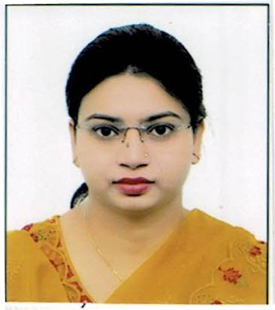

DEPT. OF ILMUL ATFAL
31 | Dr. Rumana Khan .UNXX00732 | 737399942994 & CKOPK6021P | Mr. Sadiq Ali Khan | 28.12.1984 | BUMS/2007/AMU |  | 01.08.2009 -12.01.2018 | Asst Professor | AUMC, Alig. | Ilmul Atfal | Regular | New S.S Nagar Aligarh | New S.S Nagar Aligarh | 12967 Board of Ayurvedic Unani Tibbi system of Medicine U.P | 85790100007843 | 8755694689
 |  |  |  |  |  |  | 02.07.2018 till date | Associate Professor | AUMC, Alig. | Ilmul Atfal
32 | Dr. Subhana Khan. UNXX00734 | 783259233500 & CKOPK5731L | Mr. Sadiq Ali Khan | 30.05.1982 | BUMS/2007/AMU |  | 01.08.2009-30.11.2015 | Asst Professor | AUMC, Alig. | Ilmul Atfal | Regular | New S.S Nagar Aligarh | New S.S Nagar Aligarh | 12937 Board of Ayurvedic Unani Tibbi system of Medicine U.P | 85790100007842 | 7017882688
 |  |  |  |  |  |  | 01.12.2015 till date | Associate Professor | AUMC, Alig. | Ilmul Atfal
DEPT. OF NISWAN WA QABALAT
33 | Prof. Sadia Hafeez. UNXX00864 | 870735177009 & ADLPH0410M | Mr. M.A Hafeez | 15.07.1976 | BUMS/ 2000/ AMU, Aligarh |  | 01.09.2006 to 30.11.2012 | Asst Professor | Deoband Unani Medical college | Niswan Wa Qabalat | Regular | 4/721, Friends Colony, Dodhpur, Aligarh | 4/721, Friends Colony, Dodhpur, Aligarh | 9963 Board of Ayurvedic Unani Tibbi system of Medicine U.P | 85790100016431 | 9259181406
 |  |  |  |  |  |  | 01.12.2012 to 14.09.2013 | Associate Professor | Deoband Unani Medical college | Niswan Wa Qabalat
 |  |  |  |  |  |  | 27.11.2013 till date | Associate Professor | AUAMC, Aligarh | Niswan Wa Qabalat

34 | Dr. Ghazala Yasmeen. UNXX00872 | 980653846992 & AHJPY2950K | Mr. Anwar Akeel | 18.11.1972 | BUMS/1999/AMU |  | 01.01.2000-31.03.2005 | Asst Professor | AIUMC, Mzn | Niswan Wa Qabalat | Regular | D4,Rafi Street Jamal Pur Aligarh | D4,Rafi Street Jamal Pur Aligarh | 10801 Board of Ayurvedic Unani Tibbi system of Medicine U.P | 85790100000011 | 897923747
 |  |  |  |  |  |  | 15.01.2009-14.11.2010 | Asst Professor | AUMC, Alig. | Niswan Wa Qabalat
 |  |  |  |  |  |  | 15.11.2010 till date | Associate Professor | AUMC, Alig. | Niswan Wa Qabalat
DEPT. OF JARAHAT
35 | Dr. Hafiz Zubair Alam. UNXX00751 | 902727142916 & BSRPA7856G | Mr. Uzair Alam | 24.12.1978 | BUMS/2002 AMU |  | 28.05.2008-30.11.2010 | Asst Professor | AUMC, Alig. | Jarahat | Regular | Jeevangarh, Aligarh | Jeevangarh, Aligarh | 10182 Board of Ayurvedic Unani Tibbi system of Medicine U.P | 85790100015940 | 8439705998
 |  |  |  |  |  |  | 02.06.2015-01.01.2018 | Asst Professor | AUMC, Alig. | Jarahat
 |  |  |  |  |  |  | 02.01.2018 till date | Associate Professor | AUMC, Alig. | Jarahat
36 | Dr. Matiur Rehman. UNJH00061 | 312528255396 & CKNPR2082J | Mr. Abdul Majeed | 10.07.1989 | BUMS/2016/ AMU | MS (JARAHAT)/2020/AMU | 19.04.2021-31.12.2021 | Asst Professor | SUMCH, Mathura | Jarahat | Regular | 201 F. N. aftab Appt. Shamshad Market, Near Ekminar Masjid, Aligarh | Dhol Ghada,Nasir Ganj Siddharth Nagar | 18841 Board of Ayurvedic Unani Tibbi system of Medicine U.P | 8579010002533 | 8791266056 | 
 |  |  |  |  |  |  | 01.01.2022-22.04.2022 | Asst Professor | Rehbar Ayurvedic and Unani Tibbi Medical college, Hospital and Research Centre | Jarahat
 |  |  |  |  |  |  | 25.04.2022 till date | Asst Professor | AUMC,Alig, | Jarahat
DEPT. OF AMRAZ E JILD WA TAZEENIYAT
37 | Dr.Aatika Hussain. UNJT00007 | 764904781048 & BMBPH3899C | Mr. Musawwir Hussain | 18.09.1995 | BUMS/2018/AMU | MD (MOALAJAT)/2022/AMU | 06.01.2024-Till Date | Asst Professor | AUMC. Alig, | Amraz-e- Jild Wa Tazeeniyat | Regular | A-2 Ziauddin Apartment Dhorra Mafi Aligarh | A-2 Ziauddin Apartment Dhorra Mafi Aligarh | 19550 Board of Ayurvedic Unani Tibbi system of Medicine U.P | 85790100025001 | 8630740773 | 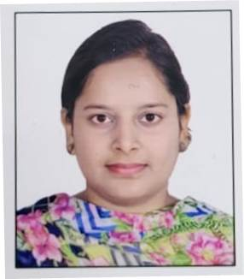

38 | Dr. Jarrar Husain Rizvi. UNXX00742 | 417120000780 & BELPPR9019G | Mr. Sarfaraz Ali | 26.02.1980 | BUMS/2006/AMU |  | 04.05.2012-01.06.2018 | Asst Professor | AUMC. Alig, | Amraz-e- Jild Wa Tazeeniyat | Regular | 4/1053, Sir Syed Nagar, Aligarh, UP | 4/1053, Sir Syed Nagar, Aligarh, UP | 8695 Board of Ayurvedic Unani Tibbi system of Medicine U.P | 857901000013250 | 8791532026
 |  |  |  |  |  |  | 02.06.2018 till date | Associate Professor | AUMC, Alig, | Amraz-e- Jild Wa Tazeeniyat
39 | Dr. Yasmeen Ahmed. UNMJ00389 | 357713314272 & AKHPY3935H | Mr. Gulzar Ahmad | 30.05.1987 | BUMS/2013/AMU | MD (MOALAJAT)/2019/JAMIA HAMDARD | 02.12.2021 till date | Asst Professor | AUMC, Alig, | Amraz-e- Jild Wa Tazeeniyat | Regular | 26 Ghalib Bagh, Friends Colony, Dodhpur, Civil Lines, Aligarh | 26 Ghalib Bagh, Friends Colony, Dodhpur, Civil Lines, Aligarh | 15722 Board of Ayurvedic Unani Tibbi system of Medicine U.P | 50100378012464 | 7060888207

40 | Dr. Aquil Ahmad Khan. UNMJ00395 | 207437855728 & BBKPK9031K | Mr. Mohd Nazeer | 20.12.1979 | BUMS/2003/AMU | MD (MOALAJAT)/2021/CCS MEERUT | 22.01.2016-10.01.2018 | Asst Professor | AUMC,Alig, | Ain,Uzn,Halaq wa Asnan | Regular | AUAMC Campus,Room No 113 A | 631/61,Saraswati Vihar Lko UP | 10990 Board of Ayurvedic Unani Tibbi system of Medicine U.P | 857901000016014 | 8010279571
 |  |  |  |  |  |  | 27.07.2021 - 08.03.2023 | Assistant Professor | AUMC, Alig, | Ain,Uzn,Halaq wa Asnan
 |  |  |  |  |  |  | 09.03.2023 till date | Associate professor | AUMC, Alig | Ain,Uzn,Halaq wa Asnan

41 | Dr.Sabiha Shafat. UNMJ00443 | 459878014566 & BUVPS6928K | Mr. Shafat Ali | 01.03.1980 | BUMS/2002/AMU | MD (MOALEJAT)/2023/AGRA UNIVERSITY | 01.02.2024-Till Date | Assistant Professor | AUMC,Alig, | Ain,Uzn,Halaq wa Asnan | Regular | 4/100 Ashyana Behind Gulmarg Hotel AnoopShahar Road Aligarh | 4/100 Ashyana Behind Gulmarg Hotel AnoopShahar Road Aligarh | 10263 Board of Ayurvedic Unani Tibbi system of Medicine U.P | 352601500759 | 9045771365 | 